Indices

 | Iraq Stock Exchange
 | Bulletin No (74)
 | ISX Trading Indices of Wednesday 29/4/2026

 | Traded Volume and OTC |  | 798,427,912 |  | Traded Value and OTC |  | 1,400,585,171 |  | Traders | 1341

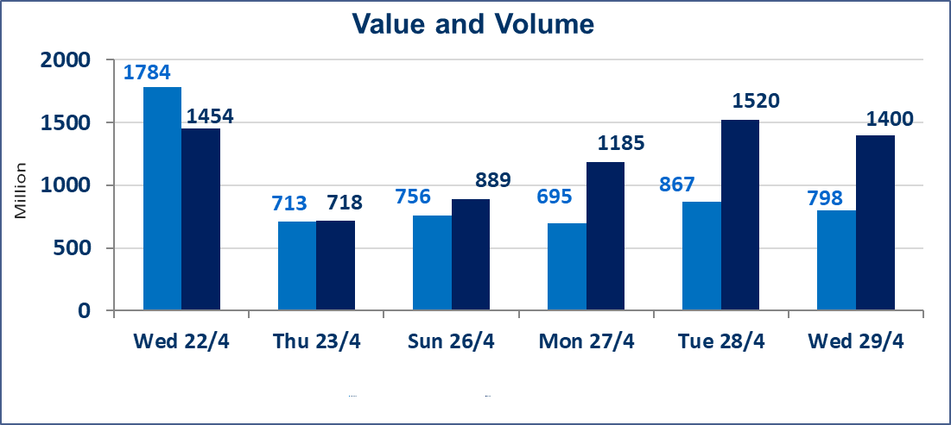
 | ISX Index 60 |  |  | 978.66 | ISX Index 15 |  |  | 1248.10
 | Previous ISX Index60 |  |  | 978.41 | Previous ISX Index15 |  |  | 1248.00
 | Change % |  |  | 0.03 | Change % |  |  | 0.01
 | Change |  |  | 0.25 | Change |  |  | 0.10

 | Listed Companies | 104 | OTC | 14 | Non Traded listed | 40 | OTC | 13
 | Traded Listed Companies | 55 | OTC | 1 | Higher Companies |  |  | 8
 | GAM Companies |  |  | 1 | Lower Companies |  |  | 19
 | Suspended Companies |  |  | 8
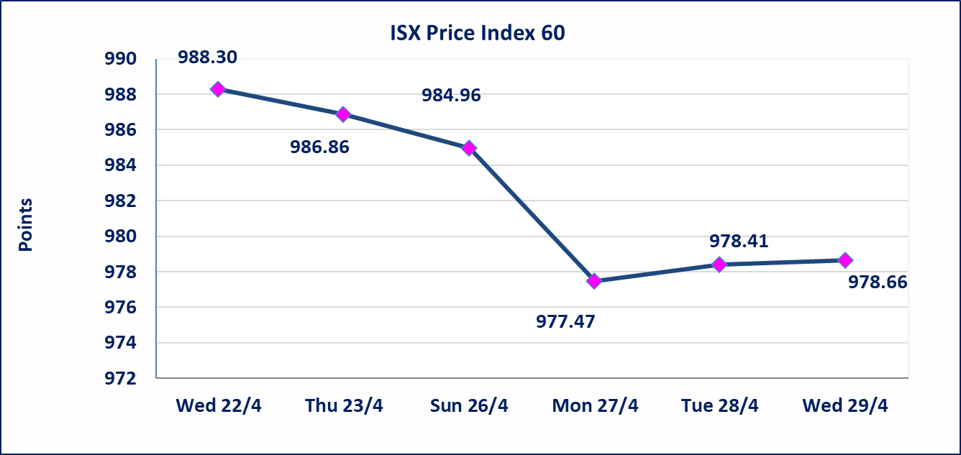
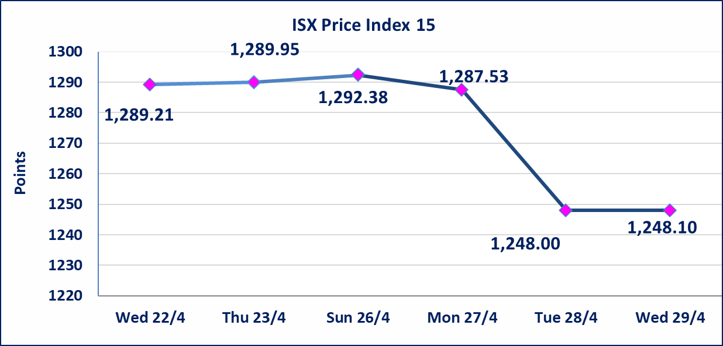

Al-Alwiya P.O . 3607 Mobile: 07711211522 - 07270094594 - 07834000034 E-mail: info-isx@isx-iq.net Web site:www.isx-iq.net

Top 5
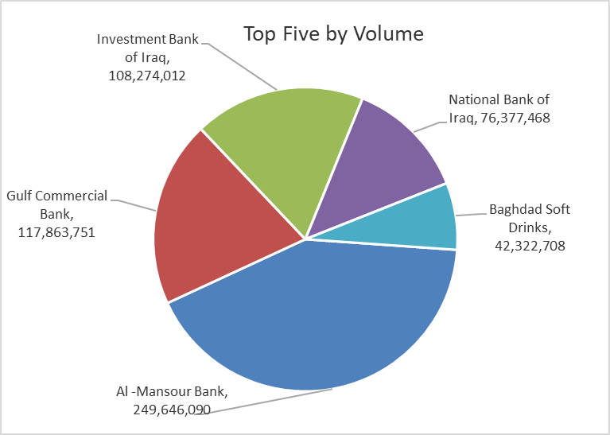
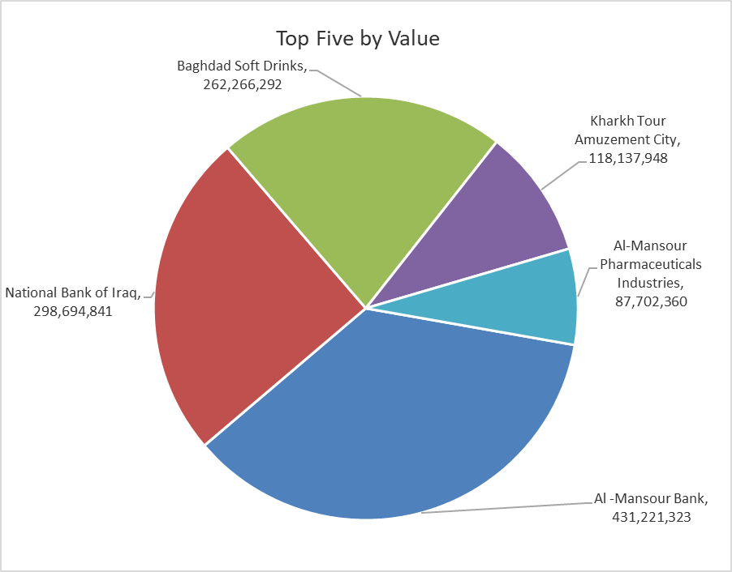

ISX top ganing and losing companies
Wednesday 29/4/2026
 | Gainers |  |  |  | Losers
 | Company Name | Closing Price | Change (%) | Traded Volume | Company Name | Closing Price | Change (%) | Traded Volume
 | Sumer Commercial Bank | 0.190 | 5.56 | 7,697,606 | Ashour Hotel | 29.030 | -4.98 | 10,162
 | Al-Khatam Telecom | 3.700 | 2.78 | 101,241 | Electronic Industry | 1.520 | -4.40 | 153,943
 | Iraqi Islamic Bank | 1.060 | 1.92 | 6,428,403 | Al-Hilal Industries | 1.340 | -4.29 | 5,113
 | AL-Nukhba for Construction | 0.710 | 1.43 | 7,777 | Tourist Village of Mosul dam | 13.500 | -3.91 | 47,468
 | National Bank of Iraq | 3.970 | 1.28 | 76,377,468 | Dar Al-Salam for Insurance | 0.750 | -3.85 | 4,000,000
 | The most active companies in term of traded volume and value

 | Traded Volume |  |  |  | Traded Value
 | Company Name | Closing Price | Change (%) | Traded Volume | Company Name | Closing Price | Change (%) | Traded Value
 | Al -Mansour Bank | 1.710 | 0.00 | 249,646,090 | Al -Mansour Bank | 1.710 | 0.00 | 431,221,323
 | Gulf Commercial Bank | 0.350 | 0.00 | 117,863,751 | National Bank of Iraq | 3.970 | 1.28 | 298,694,841
 | Investment Bank of Iraq | 0.230 | 0.00 | 108,274,012 | Baghdad Soft Drinks | 6.180 | -0.16 | 262,266,292
 | National Bank of Iraq | 3.970 | 1.28 | 76,377,468 | Kharkh Tour Amuzement City | 4.750 | -0.63 | 118,137,948
 | Baghdad Soft Drinks | 6.180 | -0.16 | 42,322,708 | Al-Mansour Pharmaceuticals Industries | 2.260 | 0.00 | 87,702,360

Non Iraqis

Iraq Stock Exchange
Non Iraqis' Bulletin Wednesday April 29 2026
Regular Market

Non Iraqi Trading of Regular Market (Buy)
Company Names | Code | No.of trades | Traded Shares | Trading Volume
Banks Sector
National Bank Of Iraq | BNOI | 10 | 7,500,000 | 29,327,500
Total Bank sector |  | 10 | 7,500,000 | 29,327,500
Grand Total |  | 10 | 7,500,000 | 29,327,500

Non Iraqi Trading of Regular Market (Sell)
Company Names | Code | No.of trades | Traded Shares | Trading Volume
Banks Sector
National Bank Of Iraq | BNOI | 4 | 1,500,000 | 5,985,000
Total Bank sector |  | 4 | 1,500,000 | 5,985,000
Grand Total |  | 4 | 1,500,000 | 5,985,000

Non Iraqi Trading of Second Market (BUY)
Company Names | Code | No. of trades | Traded Volume | Traded Value
Banks Sector
Region Trade Bank | BRTB | 6 | 2,200,000 | 2,222,000
Total Bank sector |  | 6 | 2,200,000 | 2,222,000
Grand Total |  | 6 | 2,200,000 | 2,222,000

Not Trading Bonds

Iraq Stock Exchange
Wednesday 29/4/2026
Not Trading Bonds Bulletin
Bond type | Publish type | Code | last trading price | immortilize date
Banaa Bonds /Million ID | Second | CB20 | 964,981 | 19/12/2025
Eamar Bonds /Million ID | First | CB30 | 1,001,095 | ــــــــــــــــ
Eamar Bonds /Million ID | Second | CB40 | ــــــــــــــــ | ــــــــــــــــ
Eamar Bonds /500 Thousand ID | Third | CB45 | ــــــــــــــــ | ــــــــــــــــ
Eamar Bonds /Million ID | Third | CB50 | ــــــــــــــــ | ــــــــــــــــ
Injaz Bonds /500 Thousand ID | First | CB55 | ــــــــــــــــ | ــــــــــــــــ
Injaz Bonds /Million ID | First | CB60 | 951,110 | ــــــــــــــــ
Injaz Bonds /500 Thousand ID | Second | CB65 | 507,301 | ــــــــــــــــ
Injaz Bonds /Million ID | Second | CB70 | 965,050 | ــــــــــــــــ
Injaz Bonds /500 Thousand ID | Third | CB75 | ــــــــــــــــ | ــــــــــــــــ
Injaz Bonds /Million ID | Third | CB80 | 978,182 | ــــــــــــــــ
National Bonds/Million ID | First | CB90 | ــــــــــــــــ | ــــــــــــــــ
National Bonds/500 Thousand ID | Second | CB95 | ــــــــــــــــ | ــــــــــــــــ
National Bonds/Million ID | Second | CB100 | ــــــــــــــــ | ــــــــــــــــ

